selection Azure OpenAI vs AI
Azure AI Services:
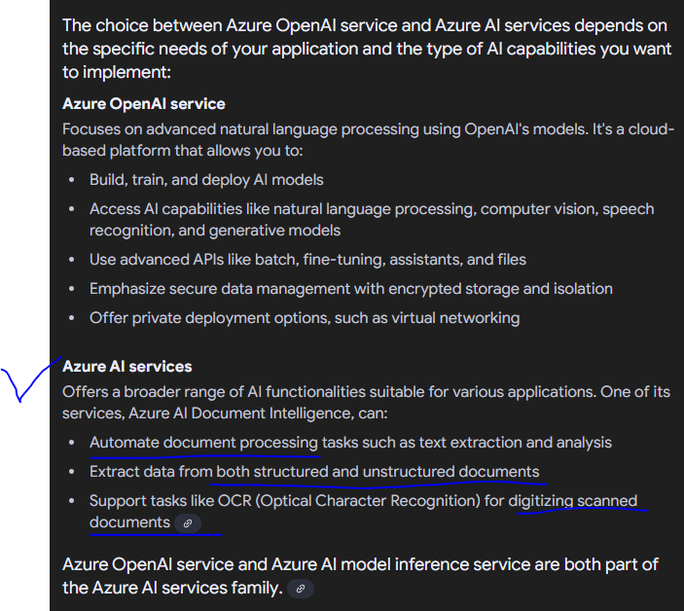

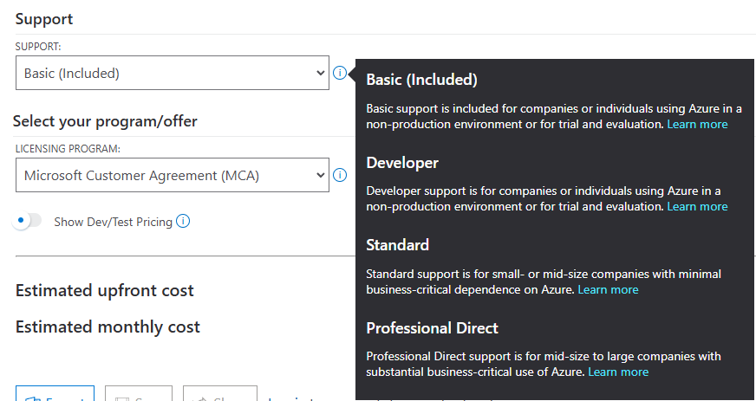

 | https://azure.microsoft.com/en-us/support/plans/

OpenAI:

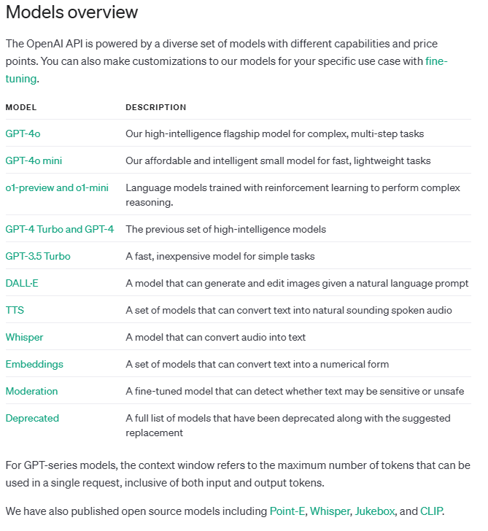
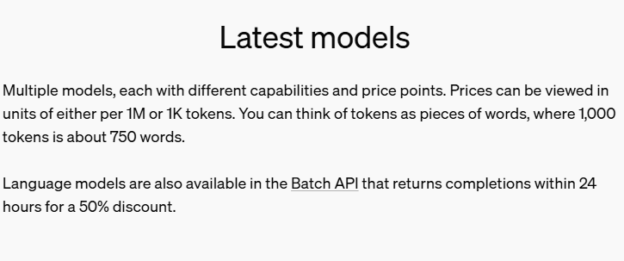

https://platform.openai.com/docs/models/gp

Summary comparison:

https://www.linkedin.com/pulse/azure-ai-vs-openai-comprehensive-guide-blogo-ai-qof8f

Azure AI Pricing
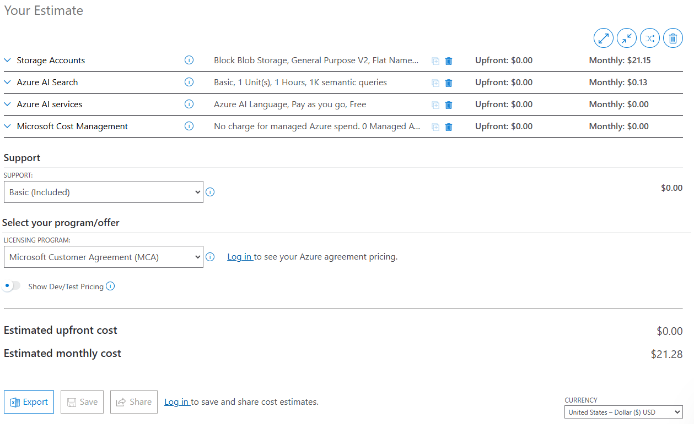
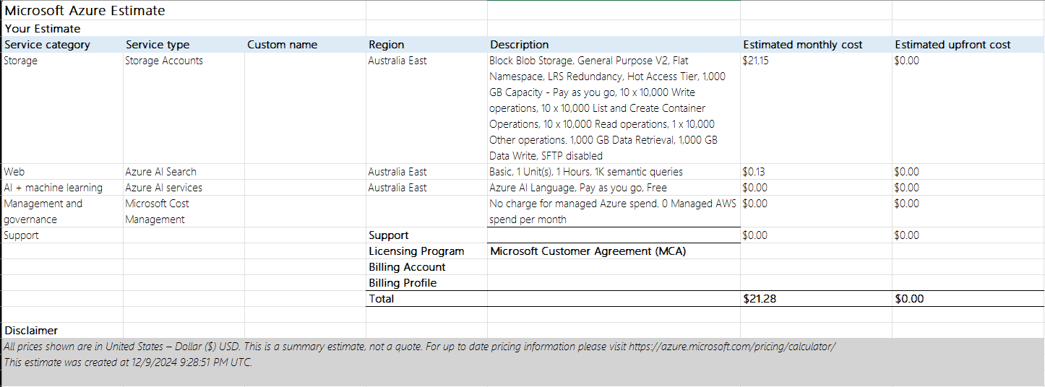
Azure AI Services | https://azure.microsoft.com/en-us/pricing/calculator/

OpenAI Pricing
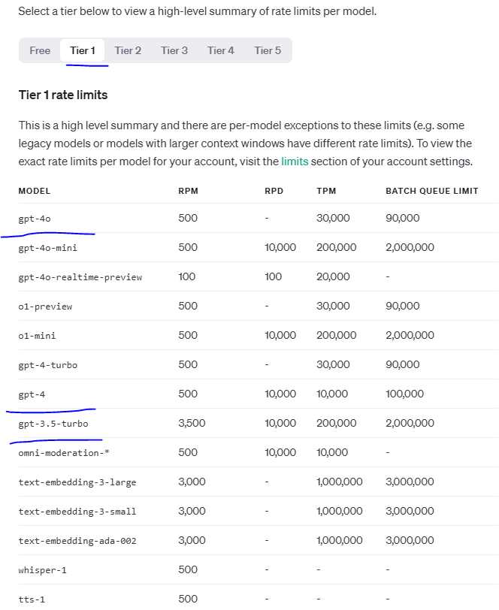
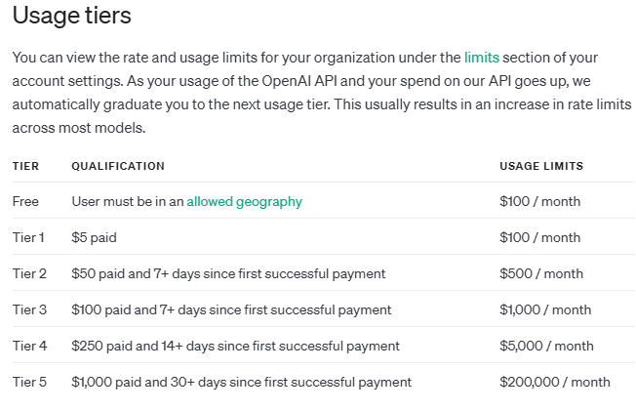
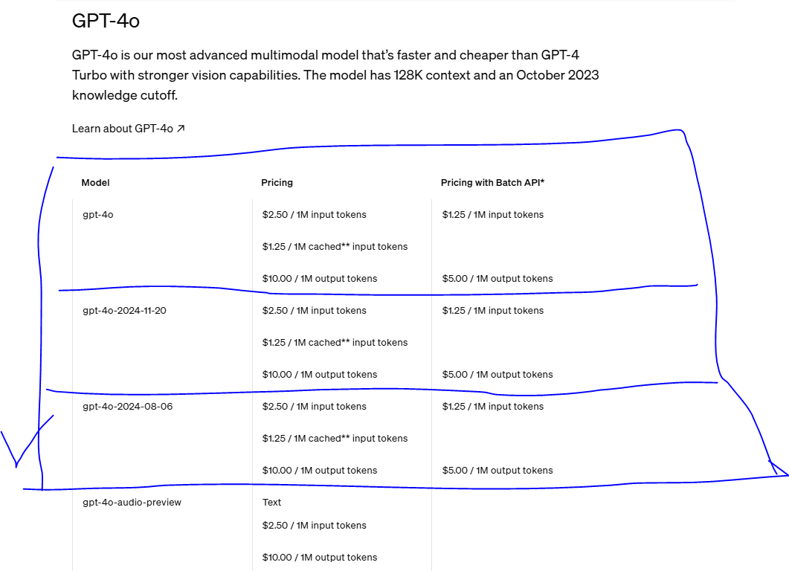
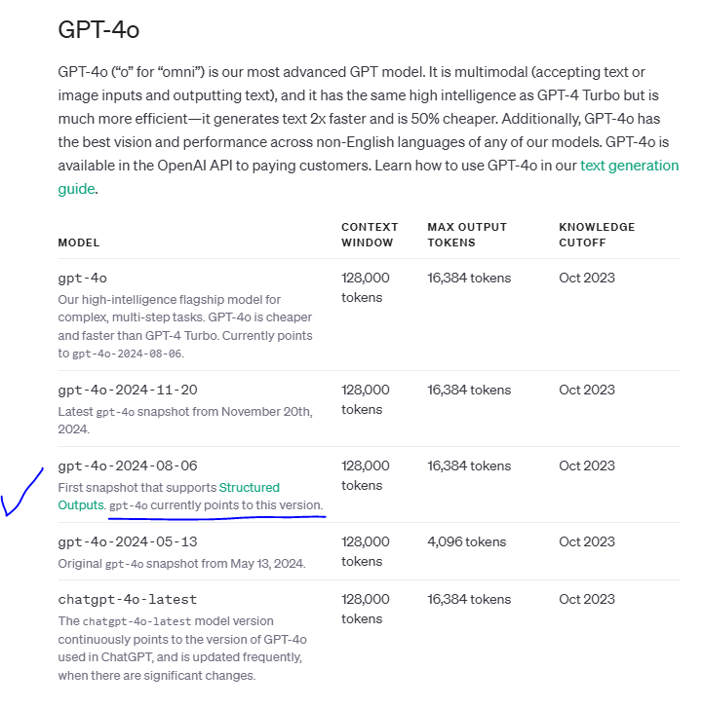
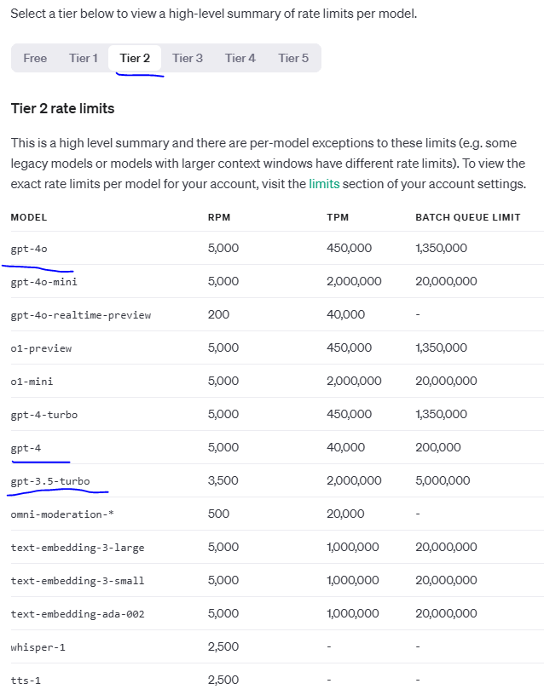
OpenAI | https://openai.com/api/pricing/

